Overview
Overview: Apprentice and Trainee Experience and Destinations 2019: data slicer
Overview

INTRODUCTION
TECHNICAL NOTES
MORE INFORMATION
CONTACT DETAILS

INTRODUCTION
This resource presents information about the expereinces and destinations of apprentices and trainees after leaving their training. The findings relate to apprentices and trainees who completed their training (completers) or cancelled or withdrew from an apprenticeship or traineeship and did not return to the same qualification (non-completers), according to the administrative collection at the time of sampling. This resource presents employment outcomes, reasons for non-completion, satisfaction with the apprenticeship or traineeship, and further study destinations.
 |  | << BACK TO TOP OF PAGE>>
TECHNICAL NOTES
The Apprentice and Trainee Experience and Destination Survey is undertaken as a stratified, randomly selected sample from the National Apprentice and Trainee Collection, with survey responses weighted to population benchmarks from the collection. As the estimates from the Apprentice and Trainee Experience and Destination Survey are based on information provided by a sample rather than a population, they are subject to sampling variability; that is, they may differ from the estimates that would have arisen had all completers and non-completers been included and responded to the survey. How close the estimate is likely to be to the true population value is reflected in the confidence interval. The confidence interval can be calculated for any confidence level, but usually a level of 90%, 95%, or 99% is used. For this resource we use a confidence level of 95%, which means the probability that the confidence interval contains the true population value is 95%. The confidence interval can be shown graphically using a black bar around the estimate (see figure A). Smaller bars correspond to more accurate estimates. The confidence interval is sometimes expressed as Estimate +/- margin of error. That is, the margin of error is half the width of the confidence interval. For example, in figure B, Estimate A is equal to 70% and the margin of error (using a confidence level of 95%) is 5%. The confidence interval for this estimate is 65% to 75%, which means we can be 95% confident the true value is between 65% and 75%.
Figure A Confidence interval and margin of error
Figure B Confidence interval
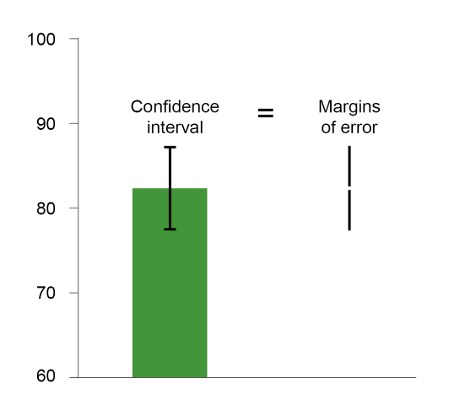 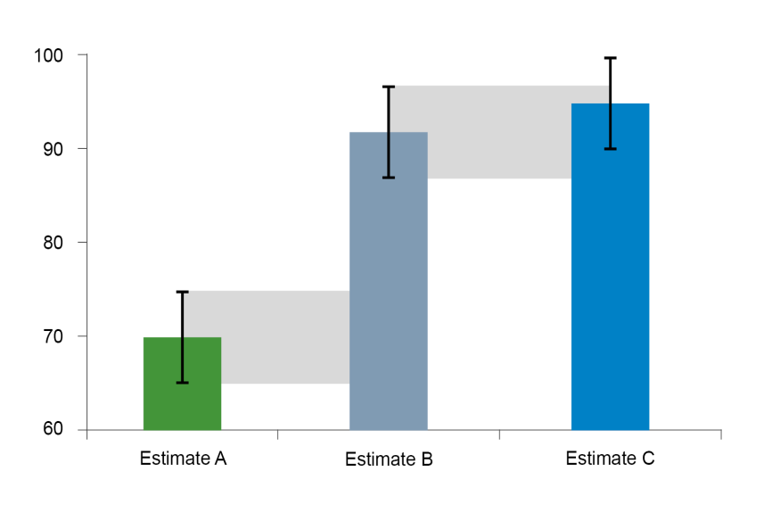
It is important to consider the margin of error when comparing between groups and years, particularly when the results are close. Data users are encouraged to use the margin of error to determine if a difference between groups is statistically significant. This resource provides the margin of error for all survey estimates presented in the tables . In figure B, the black bars for Estimate A and Estimate B do not overlap. This means that it can be concluded with a 95% level of confidence that there is a difference between Estimate A and Estimate B. In figure B, the error bars for Estimate B and Estimate C overlap. This means that it cannot be concluded with a 95% level of confidence that there is a difference between Estimate B and Estimate C. It also cannot be concluded that Estimate B and Estimate C are similar, and further testing needs to be undertaken to determine whether there is a statistically significant difference between the estimates. For further technical details about the Apprentice and Trainee Experience and Destinations Survey, please refer to Technical notes at <https://www.ncver.edu.au/research-and-statistics/collections/apprentice-and-trainee-experience-and-destinations>.
 |  | << BACK TO TOP OF PAGE>>
MORE INFORMATION

About NCVER | https://www.ncver.edu.au

NCVER's statistics | https://www.ncver.edu.au/about/about-ncver/about-our-data

National Apprentice and Trainee Collection | https://www.ncver.edu.au/research-and-statistics/collections/apprentice-and-trainee-experience-and-destinations

For information to help understand the policy environment that has shaped VET at both the national and state and territory levels, please refer to the Timeline of Australian VET policy.
https://www.voced.edu.au/vet-knowledge-bank-timeline-australian-vet-policy-initiatives
 |  | << BACK TO TOP OF PAGE>>
CONTACT DETAILS

Requests for more detailed statistical information or further information about the Apprentice and Trainee Experience and Destination survey can be made to:
 | NCVER (08) 8230 8400
 | vet_req@ncver.edu.au

There will be a charge for data requests to cover labour for data extraction. See the fees and charges policy:
https://www.ncver.edu.au/support/support/all-support/data-access-and-charges

 |  | << BACK TO TOP OF PAGE>>

ATTRIBUTING THE SOURCE OF DATA
Any person or organisation with an interest in vocational education and training may request information from NCVER and use this information publicly, provided that the source is properly acknowledged. The source should be acknowledged as the 'Apprentice and Trainee Experience and Destination Survey 2019'.

How to use this report
 | Apprentice and Trainee Experience and Destinations 2019
 | Overview

Australian vocational education and training statistics
Apprentice and Trainee Experience and Destinations 2019: data slicer
 |  | Back to Overview
About this report
This interactive report contains a set of filters that enable users to quickly filter or slice data.

The components of the data table

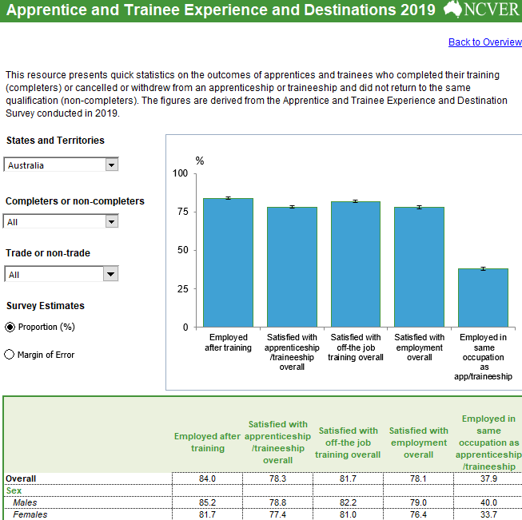

Filter Selection

Estimate Selection

Data

There are three main components to each data table:
Filter Selection – displays the data table based on the applied selected filter(s). This will change as different filters are applied.
Estimate Selection – gives the user the option to display either proportion estimates versus estimated 95% margin of error.
Data – displays the data selected. This will change as different filters are applied.

ATED
Apprentice and Trainee Experience and Destinations 2019

 |  |  |  |  | Back to Overview

This resource presents quick statistics on the outcomes of apprentices and trainees who completed their training (completers) or cancelled or withdrew from an apprenticeship or traineeship and did not return to the same qualification (non-completers). The figures are derived from the Apprentice and Trainee Experience and Destination Survey conducted in 2019.

Employed after training | 87.7
Satisfied with apprenticeship /traineeship overall | 88.4
Satisfied with off-the job training overall | 88.1
Satisfied with employment overall | 85.4
Employed in same occupation as apprenticeship /traineeship | 43.1
States and Territories
%

Completers or non-completers

Trade or non-trade

Survey Estimates

 | Employed after training | Satisfied with apprenticeship/traineeship overall | Satisfied with off-the job training overall | Satisfied with employment overall | Employed in same occupation as apprenticeship/traineeship
Overall | 87.7 | 88.4 | 88.1 | 85.4 | 43.1
Sex
Males | 88.7 | 88.6 | 87.8 | 85.9 | 45.9
Females | 85.9 | 87.9 | 88.7 | 84.4 | 37.8
Age group
18 to 19 years | 75.6 | 90.2 | 90.2 | 87.8 | 30.0
20 to 24 years | 89.7 | 89.0 | 88.7 | 85.9 | 45.6
25 to 44 years | 89.9 | 87.0 | 86.3 | 83.7 | 44.0
45 and over | 89.6 | 88.1 | 89.0 | 85.8 | 45.6
Student remoteness (ARIA+) region
Major cities | 86.2 | 88.0 | 87.6 | 84.3 | 44.1
Inner and outer regional | 90.0 | 88.7 | 88.6 | 86.8 | 42.7
Remote and very remote | 91.6 | 92.1 | 92.1 | 91.1 | 30.7
Indigenous
Indigenous | 81.9 | 93.3 | 92.1 | 90.0 | 39.7
Non-Indigenous | 88.1 | 88.0 | 87.9 | 85.0 | 43.2
Disability status (including impairment or long-term condition)
With a disability | 71.6 | 85.4 | 86.0 | 84.8 | 38.0
Without a disability | 88.0 | 88.5 | 88.1 | 85.4 | 42.9
Speak a language other than English at home
Other language | 79.8 | 91.2 | 92.2 | 86.1 | 44.8
English | 89.0 | 88.1 | 87.7 | 85.4 | 42.8
Employment status before training
Employed | 91.8 | 88.0 | 87.7 | 85.1 | 42.7
Not employed | 77.9 | 89.1 | 89.2 | 86.1 | 44.2
Qualification
Diploma or higher | 93.1 | 90.1 | 88.5 | 89.0 | 36.4
Certificate IV | 91.9 | 91.2 | 88.4 | 86.4 | 38.5
Certificate III | 88.9 | 87.9 | 87.9 | 84.9 | 44.4
Certificate II | 76.4 | 88.4 | 89.3 | 86.7 | 40.5
Certificate I | 54.3 | 91.8 | 89.5 | 91.1 | 17.9*
Occupation of apprenticeship or traineeship
In a trade occupation
Automotive and engineering trades workers | 94.3 | 90.0 | 86.9 | 84.3 | 38.6
Construction trades workers | 91.9 | 89.2 | 88.9 | 84.4 | 62.0
Electrotechnology and Telecommunications Trades Workers | 92.7 | 89.6 | 85.2 | 87.8 | 44.2
Foods Trades Workers | 90.5 | 88.8 | 89.6 | 85.9 | 64.4
Other technicians and trades workers | 85.9 | 85.9 | 86.1 | 83.3 | 48.2
In a non-trade occupation
Managers and professionals | 90.9 | 88.9 | 88.1 | 89.5 | 36.2
Community and personal services workers | 86.0 | 88.9 | 89.1 | 84.9 | 39.7
Clerical and administrative workers | 84.6 | 89.5 | 89.1 | 86.5 | 28.7
Sales workers | 86.3 | 87.5 | 90.0 | 82.7 | 37.1
Machinery operators and drivers | 86.2 | 85.6 | 87.7 | 88.2 | 43.3
Labourers | 78.1 | 87.1 | 87.9 | 84.1 | 41.8
Completion of a pre-vocational/pre-apprenticeship course
Yes | 89.4 | 89.6 | 87.9 | 85.4 | 43.8
No | 87.5 | 88.0 | 88.2 | 85.7 | 43.0
Employer type
Group Training Organisation | 83.9 | 89.6 | 87.5 | 89.1 | 35.2
Direct employer | 88.1 | 88.2 | 88.2 | 85.0 | 43.8
Estimates with 5 or fewer respondents were suppressed as 'np' due its unreliability.

