Overview
Apprentice and trainee experience and destinations - 2008, 2010 and 2019: tables
Overview
 |  |  | Back to Index

INTRODUCTION
SCOPE
TECHNICAL NOTES
MORE INFORMATION
CONTACT DETAILS

INTRODUCTION
This publication provides a summary of the outcomes of apprentices and trainee who completed (completers) or cancelled or withdrew (non-completers) from an apprenticeship or traineeship. The figures are derived from the Apprentice and Trainee Experience and Destination Survey, which was conducted in 2008, 2010 and 2019. Information is presented on apprentices' and trainees' reasons for training, their employment outcomes, reasons for non-completion, further study outcomes and satisfaction with the apprenticeship or traineeship. An apprentice or trainee is a person who undertakes a contract of training with an employer and a training provider.
 |  | << BACK TO TOP OF PAGE>>
SCOPE
The Apprentice and Trainee Experience and Destination Survey covered apprentices and trainees who left (i.e. completed, cancelled or withdrew from) their training between:
· October and December 2007 (the 2008 survey)
· April and June 2009 (the 2010 survey) and
· January and December 2018 (the 2019 survey).

Those aged 15 to 17 years were excluded from the scope of the 2019 survey.

For more information about the scope of this publication, see the explanatory notes tab.
 |  | << BACK TO TOP OF PAGE>>
TECHNICAL NOTES
Figure A Confidence interval and margin of error
The Apprentice and Trainee Experience and Destination Survey was undertaken as a stratified, randomly selected sample from the National Apprentice and Trainee Collection, with survey responses weighted to population benchmarks from the relevant collection. The survey sample was stratified by state/territory, trade and non-trade occupation, and contract status; that is, completion or cancellation/withdrawl. As the estimates from the Apprentice and Trainee Experience and Destination Survey are based on information provided by a sample rather than a population, they are subject to sampling variability; that is, they may differ from the estimates that would have arisen had all apprentices and trainees been included and responded to the survey. How close the estimate is likely to be to the true population value is reflected in the confidence interval. The confidence interval can be calculated for any confidence level, but usually a level of 90%, 95%, or 99% is used. For this resource we use a confidence level of 95%, which means the probability that the confidence interval contains the true population value is 95%. The confidence interval can be shown graphically using a black bar around the estimate (see figure A). Smaller bars correspond to more accurate estimates. The confidence interval is sometimes expressed as Estimate +/- margin of error. That is, the margin of error is half the width of the confidence interval. For example, in figure B, Estimate A is equal to 70% and the margin of error (using a confidence level of 95%) is 5%. The confidence interval for this estimate is 65% to 75%, which means we can be 95% confident the true value is between 65% and 75%.
Figure B Confidence interval
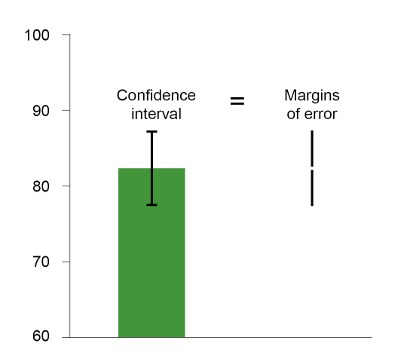 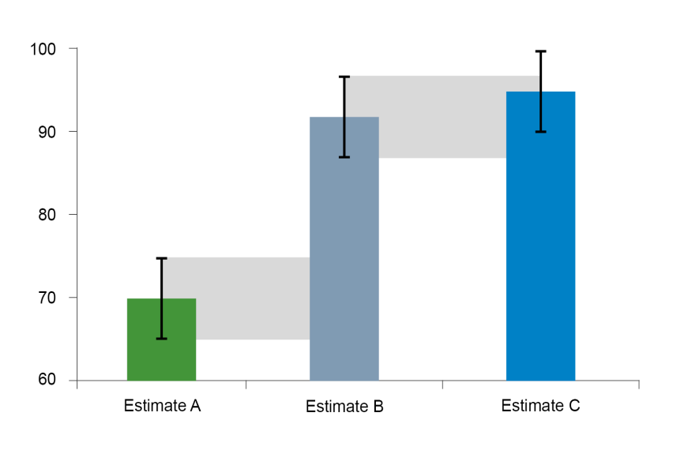
It is important to consider the margin of error when making comparisons between groups and years, particularly when the results are close. Data users are encouraged to use the margin of error to determine if a difference between groups is statistically significant. The margin of error for all survey estimates presented in this publication is available in the Apprentice and Trainee Experience and Destinations Excel summary tables available at <https://www.ncver.edu.au/research-and-statistics/collections/apprentice-and-trainee-experience-and-destinations>. In figure B, the black bars for Estimate A and Estimate B do not overlap. This means that it can be concluded with a 95% level of confidence that there is a difference between Estimate A and Estimate B. In figure B, the error bars for Estimate B and Estimate C overlap. This means that it cannot be concluded with a 95% level of confidence that there is a difference between Estimate B and Estimate C. It also cannot be concluded that Estimate B and Estimate C are similar, and further testing needs to be undertaken to determine whether there is a statistically significant difference between the estimates. For further technical details about the Apprentice and Trainee Experience and Destinations Survey, please refer to Technical notes at <https://www.ncver.edu.au/research-and-statistics/collections/apprentice-and-trainee-experience-and-destinations>.
 |  | << BACK TO TOP OF PAGE>>
MORE INFORMATION

About NCVER | https://www.ncver.edu.au

NCVER's statistics | https://www.ncver.edu.au/about/about-ncver/about-our-data

Apprentice and Trainee Experience and Destination Survey | https://www.ncver.edu.au/research-and-statistics/collections/apprentice-and-trainee-experience-and-destinations

For information to help understand the policy environment that has shaped VET at both the national and state and territory levels, please refer to the Timeline of Australian VET policy.
https://www.voced.edu.au/vet-knowledge-bank-timeline-australian-vet-policy-initiatives
 |  | << BACK TO TOP OF PAGE>>
CONTACT DETAILS

Requests for more detailed statistical information or further information about the Apprentice and Trainee Experience and Destination survey can be made to:
 | NCVER (08) 8230 8400
 | vet_req@ncver.edu.au

There will be a charge for data requests to cover labour for data extraction. See the fees and charges policy:
https://www.ncver.edu.au/support/support/all-support/data-access-and-charges

 |  | << BACK TO TOP OF PAGE>>
ATTRIBUTING THE SOURCE OF DATA
Any person or organisation with an interest in vocational education and training may request information from NCVER and use this information publicly, provided that the source is properly acknowledged. The source should be acknowledged as the 'Apprentice and Trainee Experience and Destination Survey 2019'.

