Adjustment notes
Adjustment notes for apprentice and trainee estimates: September quarter 2023

This tab contains the adjustment notes for Collection 118, December 2023 estimates used to produce the publication, Australian vocational education and training statistics: apprentices and trainees 2023 — September quarter, available at

https://www.ncver.edu.au/data/collection/apprentices-and-trainees-collection/apprentices-and-trainees-quarterly.

Introduction

Apprentice and trainee data are reported by the State and Territory Training Authorities to NCVER on a quarterly basis, starting at the September quarter of 1994. The set of data submitted that quarter is referred to as Collection 1. The sets of data submitted in subsequent quarters are referred to as Collection 2, Collection 3 and so on. NCVER publishes data on the numbers of contracts of training that commence, complete, cancel/withdraw, re-commence, expire or are suspended and the time at which these events occur (referred to as the ‘date of effect’). From these events, the number of contracts in training at a given time can be calculated. Due to time delays in reporting data on the status of contracts to NCVER, the most recent data are estimated. In short, the estimation methodology is based on the calculation of ‘average lag ratios’. A lag ratio is the ratio of the actual number of events (commencements, completions, etc.) which occurred in a particular quarter to the number of those events which were reported in a given quarter. The average lag ratio is calculated by taking the average of the lag ratios found in a ‘time window’, which is a moving period of eight quarters from the past. Further details on this methodology are provided in the technical paper produced by NCVER, Estimation of apprentice and trainee statistics, which may be found at

https://www.ncver.edu.au/publications/publications/all-publications/estimation-of-apprentice-and-trainee-statistics.

The purpose of this tab is to document the adjustments that are made to the estimates for Collection 118.

Adjustment notes for Collection 118

NCVER examines the quarterly apprentice and trainee estimates produced by the endorsed model in order to check that the estimates are reasonable. In particular, a decision rule was introduced in Collection 45 that mandated reviewing all estimates with relative prediction errors of 10% or more. The goal of the review is to correct for any large bias in estimation that might be caused by changes in the pattern of reporting practices over time. Note that whilst an estimate might be adjusted for bias, its associated prediction error is not altered. For the September quarter 2023, commencements in New South Wales and South Australia both had estimates with relative prediction errors over the 10%..

 | State |  | Contract status |  |  | Quarter | Relative prediction error
 | New South Wales |  | Commencements |  |  | Jun-23 | 13.1%
 | South Australia |  | Commencements |  |  | Jun-23 | 13.9%

Relative prediction errors for expiries were between 5% and 13% across most jurisdictions with Queensland at about 18% the exception.

The contribution of expired contracts to the in-training estimate is usually small both in level and variation. High relative errors appear to be explained to some degree by the fact that the estimates are small numbers and therefore any variation is relatively large. Adjustments to the estimates of expired contracts have little effect on the corresponding estimates of in-training. Consequently, no alterations to estimates of expired contracts have been made.

 |  |  |  |  |  |  |  | The following graphs depict the pattern of the lag ratios for the estimates that were revised or considered for revision. The graph shows the lag ratios for the eight quarters in the time window used in the endorsed model (labelled 1 to 8) and also the two quarters following (labelled 9 and 10).

New South Wales

Commencements |  | for | September | 2023
 |  |  |  |  |  |  |  | 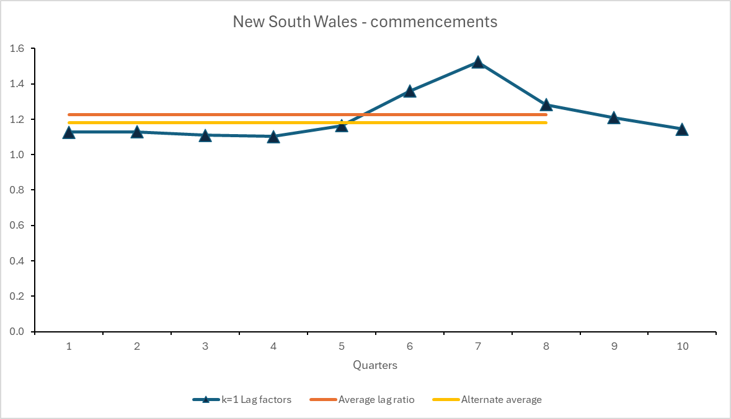
Estimate from the endorsed model: |  |  |  | 9803
Relative error: |  |  |  | 13.1%
Revised estimate: |  |  |  | 9462
Time window for calculating the average lag factor: |  |  |  | Dec-20 | to | Sep-22
Adjustment rationale: |  |  |  | The lags in the time window go from low to high as time moves forward. The two quarters that will come into the time window over the next two quarters indicate that the lag ratios will not remain at the level in quarter seven. However its not certain from the drop in the lag ratios whether they will return to the lower levels seen in the early quarters in the time window. This will become clearer in the next few quarters. Deleting the early quarters as well as the high value at quarter seven would leave too few observations for estimation. A cautious approach has been taken by deleting only the highest (quater seven) lag ratio, making a modest adjustment to the estimate from the accepted model.

South Australia

Commencements |  | for | September | 2023 |  |  |  | 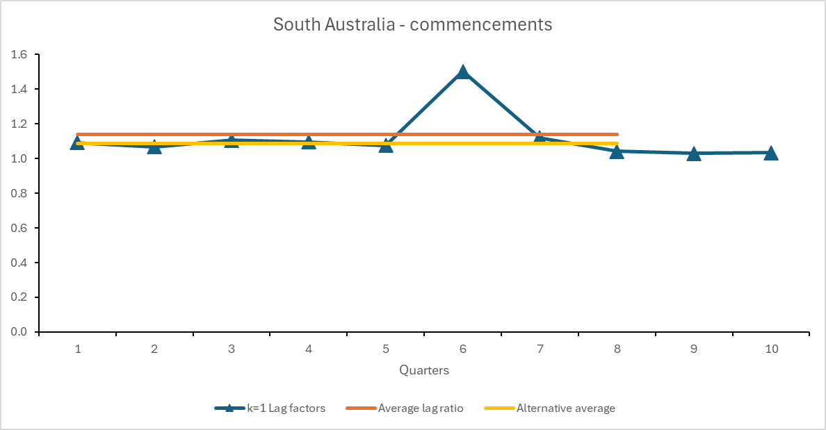

Estimate from the endorsed model: |  |  |  | 2095
Relative error: |  |  |  | 13.9%
Revised estimate: |  |  |  | 1999
Time window for calculating the average lag factor: |  |  |  | Dec-20 | to | Sep-22
Adjustment rationale: |  |  |  | The lag ratio for quarter 6 is clearly higher than the other lag ratios. There is a drop after the peak in quarter 6. Furthermore the next two quarters following the time window indicate that the lag ratios will remain at the same level as the other lag quarters and lower than quarter 6. One way to mitigate the influence of the high lag ratio is by deleting the lag ratio for quarter 6 and retaining the other lag ratios. This results in the new calculated average being 1.09, which is an improvement on the original lag average.

E1 NSW
Expired contracts for Collection 118

Although subject to high relative errors, estimates of expired contracts have not been altered because they are such a small contributor to the in-training estimate. As can be seen from the following graphs, which depict the pattern of the lag ratios for the estimates of expired contracts, an alternative way of estimating expired contracts is often unclear. The graphs show the lag ratios for the eight quarters in the time window used in the endorsed model (labelled 1 to 8). A horizontal line is also displayed, representing the average lag as calculated from the lags in the time window (purple line).

New South Wales
 | Lag ratios | Average lag ratio
 | 0.2369703787 | 0.27481482076
 | 0.31383370125 | 0.27481482076
 | 0.26551724138 | 0.27481482076
 | 0.28351648352 | 0.27481482076
 | 0.22982791587 | 0.27481482076
 | 0.31018841591 | 0.27481482076
 | 0.25579361609 | 0.27481482076
 | 0.3028708134 | 0.27481482076

E1 VIC
Expired contracts for Collection 118

Although subject to high relative errors, estimates of expired contracts have not been altered because they are such a small contributor to the in-training estimate. As can be seen from the following graphs, which depict the pattern of the lag ratios for the estimates of expired contracts, an alternative way of estimating expired contracts is often unclear. The graphs show the lag ratios for the eight quarters in the time window used in the endorsed model (labelled 1 to 8). A horizontal line is also displayed, representing the average lag as calculated from the lags in the time window (purple line).

Victoria
 | Lag ratios | Average lag ratio
 | 0.33229813665 | 0.31824879288
 | 0.33701336432 | 0.31824879288
 | 0.26192748092 | 0.31824879288
 | 0.33380681818 | 0.31824879288
 | 0.2945248584 | 0.31824879288
 | 0.32671829622 | 0.31824879288
 | 0.33804347826 | 0.31824879288
 | 0.3216579101 | 0.31824879288

E1 QLD
Expired contracts for Collection 118

Although subject to high relative errors, estimates of expired contracts have not been altered because they are such a small contributor to the in-training estimate. As can be seen from the following graphs, which depict the pattern of the lag ratios for the estimates of expired contracts, an alternative way of estimating expired contracts is often unclear. The graphs show the lag ratios for the eight quarters in the time window used in the endorsed model (labelled 1 to 8). A horizontal line is also displayed, representing the average lag as calculated from the lags in the time window (purple line).

Queensland
 | Lag ratios | Average lag ratio
 | 0.11221449851 | 0.13458108702
 | 0.10881801126 | 0.13458108702
 | 0.13828786453 | 0.13458108702
 | 0.15163934426 | 0.13458108702
 | 0.17337807606 | 0.13458108702
 | 0.12603305785 | 0.13458108702
 | 0.12037037037 | 0.13458108702
 | 0.14590747331 | 0.13458108702

E1 SA
Expired contracts for Collection 118

Although subject to high relative errors, estimates of expired contracts have not been altered because they are such a small contributor to the in-training estimate. As can be seen from the following graphs, which depict the pattern of the lag ratios for the estimates of expired contracts, an alternative way of estimating expired contracts is often unclear. The graphs show the lag ratios for the eight quarters in the time window used in the endorsed model (labelled 1 to 8). A horizontal line is also displayed, representing the average lag as calculated from the lags in the time window (purple line).

South Australia
 | Lag ratios | Average lag ratio
 | 0.42942942943 | 0.40915357743
 | 0.36964980545 | 0.40915357743
 | 0.39013452915 | 0.40915357743
 | 0.41917808219 | 0.40915357743
 | 0.38014527845 | 0.40915357743
 | 0.37269372694 | 0.40915357743
 | 0.431640625 | 0.40915357743
 | 0.48035714286 | 0.40915357743

E1 WA
Expired contracts for Collection 118

Although subject to high relative errors, estimates of expired contracts have not been altered because they are such a small contributor to the in-training estimate. As can be seen from the following graphs, which depict the pattern of the lag ratios for the estimates of expired contracts, an alternative way of estimating expired contracts is often unclear. The graphs show the lag ratios for the eight quarters in the time window used in the endorsed model (labelled 1 to 8). A horizontal line is also displayed, representing the average lag as calculated from the lags in the time window (purple line).

Western Australia
 | Lag ratios | Average lag ratio
 | 0.6897810219 | 0.80573619967
 | 0.76923076923 | 0.80573619967
 | 0.81105990783 | 0.80573619967
 | 0.7802690583 | 0.80573619967
 | 0.83185840708 | 0.80573619967
 | 0.81403508772 | 0.80573619967
 | 0.87623762376 | 0.80573619967
 | 0.87341772152 | 0.80573619967

E1 TAS
Expired contracts for Collection 118

Although subject to high relative errors, estimates of expired contracts have not been altered because they are such a small contributor to the in-training estimate. As can be seen from the following graphs, which depict the pattern of the lag ratios for the estimates of expired contracts, an alternative way of estimating expired contracts is often unclear. The graphs show the lag ratios for the eight quarters in the time window used in the endorsed model (labelled 1 to 8). A horizontal line is also displayed, representing the average lag as calculated from the lags in the time window (purple line).

Tasmania
 | Lag ratios | Average lag ratio
 | 0.72847682119 | 0.69718805345
 | 0.64948453608 | 0.69718805345
 | 0.79342723005 | 0.69718805345
 | 0.65662650602 | 0.69718805345
 | 0.68361581921 | 0.69718805345
 | 0.6582278481 | 0.69718805345
 | 0.74948240166 | 0.69718805345
 | 0.65816326531 | 0.69718805345

E1 ACT
Expired contracts for Collection 118

Although subject to high relative errors, estimates of expired contracts have not been altered because they are such a small contributor to the in-training estimate. As can be seen from the following graphs, which depict the pattern of the lag ratios for the estimates of expired contracts, an alternative way of estimating expired contracts is often unclear. The graphs show the lag ratios for the eight quarters in the time window used in the endorsed model (labelled 1 to 8). A horizontal line is also displayed, representing the average lag as calculated from the lags in the time window (purple line).

Australian Capital Territory
 | Lag ratios | Average lag ratio
 | 0.86554621849 | 0.83036788533
 | 0.79716981132 | 0.83036788533
 | 0.74025974026 | 0.83036788533
 | 0.80588235294 | 0.83036788533
 | 0.86666666667 | 0.83036788533
 | 0.83966244726 | 0.83036788533
 | 0.85135135135 | 0.83036788533
 | 0.87640449438 | 0.83036788533

